2 shift - weekly V1 example
 | LEGEND: |  |  |  |  |  |  | 2X / day | 1X / day | 1X / week | 1X / mo.
 | 5S LEADER - DAY |  |  |  | 5S TEAM - DAY
 | 5S LEADER - NIGHT |  |  |  | 5S TEAM - NIGHT

 | WORK ZONE | Week 1
 |  | Description | When |  | Mon | Tue | Wed | Thu | Fri | Sat | Sun

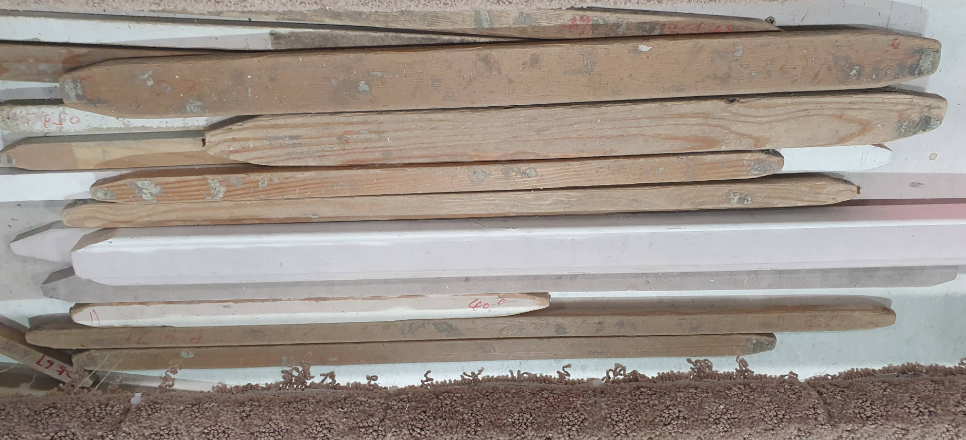
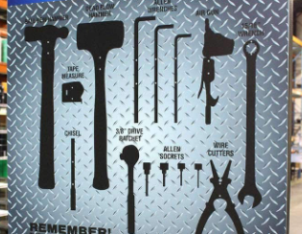
1 | Jigs - all jigs returned to their home | PHOTO | AM + PM | AM
 |  |  |  | PM
2 | Tools - all tools returned to tool box | PHOTO | AM + PM | AM
 |  |  |  | PM
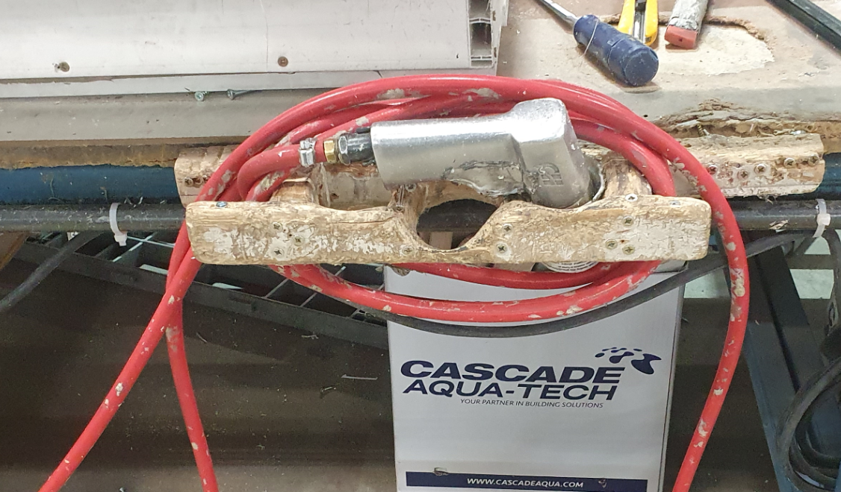
3 | Air hose - wound up | PHOTO | AM + PM | AM
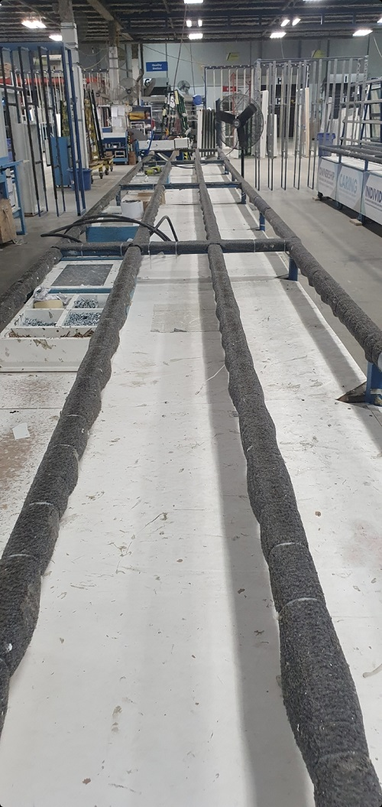
 |  |  |  | PM
4 | Table - cleared of all mullions, debris | PHOTO | AM + PM | AM
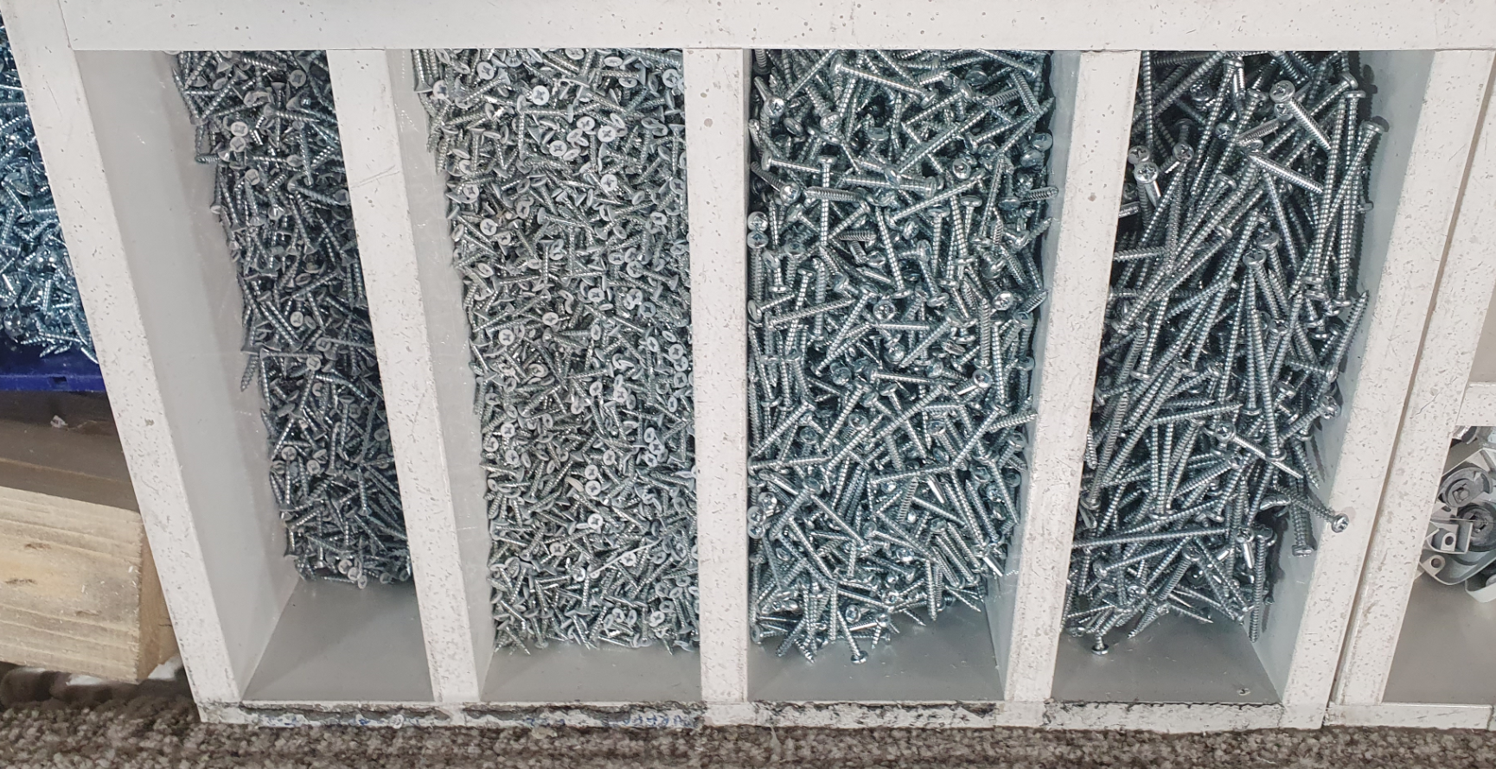
 |  |  |  | PM
5 | Screw bin - all screw bins filled to green line | PHOTO | AM + PM | AM
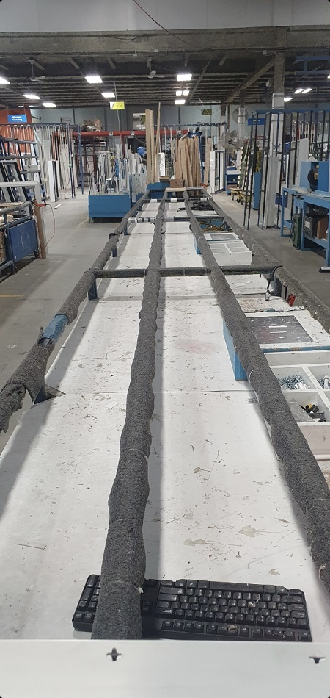
 |  |  |  | PM
6 | Counter- shelf beneath table wiped w Windex | PHOTO | AM + PM | AM
 |  |  |  | PM
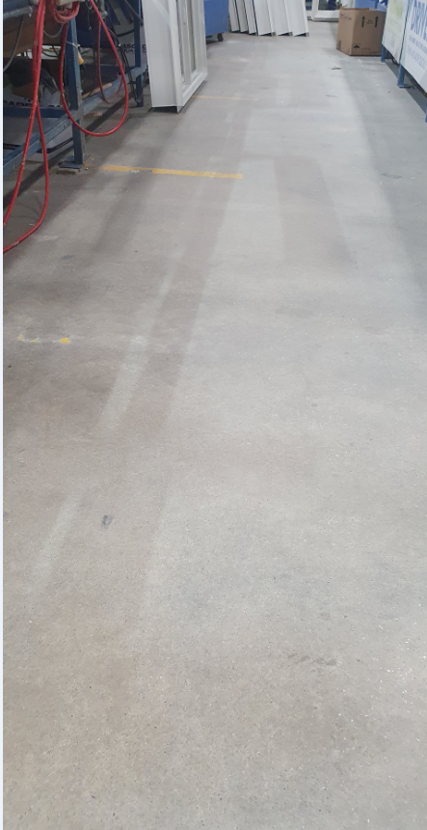
7 | Floor (beneath and around table) - swept clean | PHOTO | AM + PM | AM
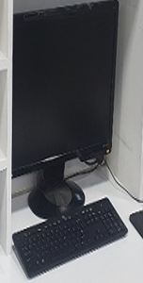
 |  |  |  | PM
8 | Computer - Remove all dust from screen | PHOTO | AM + PM | AM
 |  |  |  | PM
9 | Saw - sweep all dust and debris around table | 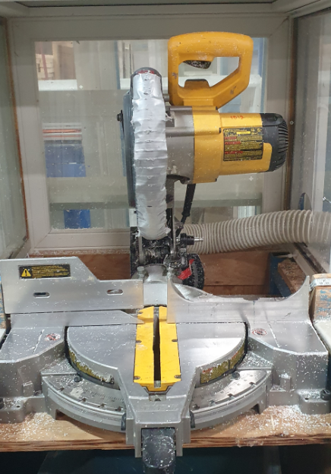 PHOTO | AM + PM | AM
 |  |  |  | PM
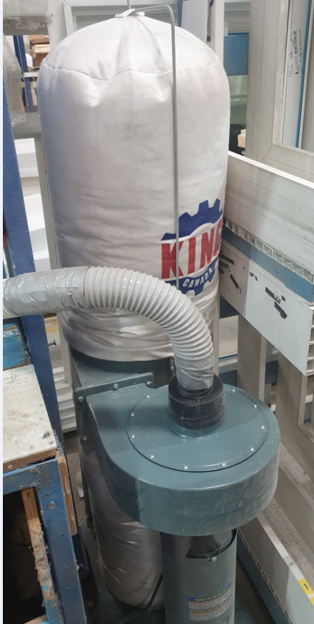
10 | Saw - Empty PVC waste bin & Wood waste bin | PHOTO | AM + PM | AM
 |  |  |  | PM
11 | Saw - Empty vacuum bag | PHOTO | Month | AM | JANUARY | MARCH | MAY | JULY | SEPTEMBER | NOVEMBER
 |  |  |  | PM | FEBRUARY | APRIL | JUNE | AUGUST | OCTOBER | DECEMBER
12 | Bed Carpet - replace every 3 mo. | 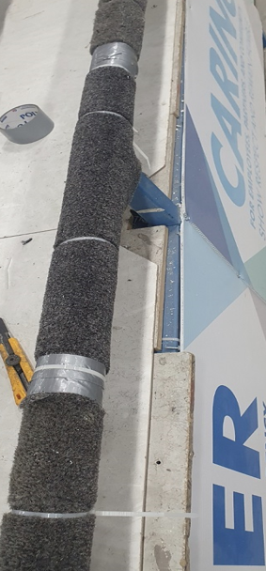 PHOTO | Month | AM | JANUARY | APRIL | JULY | OCTOBER
 |  |  |  | PM

Rarely Used - Machinery
Drill Press - Housing Cell |  |  |  |  |  |  |  |  |  |  |  | Drill Press - Repair Cell |  |  |  |  |  |  |  |  |  |  |  | Button Press - Large Parts Cell |  |  |  |  |  |  | Production - Large Parts Cell
**ALL TASKS MUST BE COMPLETED AFTER EVERY USE
**ALL TASKS MUST BE COMPLETED AFTER EVERY USE
**ALL TASKS MUST BE COMPLETED AFTER EVERY USE
**ALL TASKS MUST BE COMPLETED AFTER EVERY USE
Date: | Name: | All clutter removed | All tooling within cart are in their "home" | Cart drawers and shelf are tidy | Clean the blue base with spray cleaner | Clean V-Block with base | Drill press cart is clutter free | Sweep floor all around Drill press | Wipe down main Drilling head | Wipe down the main arm | Wipe the base of column & the column itself | Date: | Name: | All clutter removed from Drill Press area | Work bench is clutter free | Bottom shelf is clean and organized | Clean & Wipe the base with spray cleaner | Clean V-Block with base | All bins are properly labelled and organized | Sweep floor all around Drill press | Wipe down main Drilling head | Wipe down the main arm | Wipe the base of column & the column itself | Date: | Name: | Tooling beneath counter top is organized | Bottom shelf is clean & organized | Black cabinet is clutter free & wiped down | Wipe "IN" & "OUT" bins on cabinet | Pressure wash floor matt | Date: | Name: | Clean all chips from the entire machine | Sweep floor around saw & under roller rack | Wipe down main control box | Wipe down band saw cover & frame | Clean band saw "table" & clamp | Clean clamp components | Clean band saw support arms | Electric motor & motor housing wiped down | Clean entire bottom half of band saw | Clean all rollers & roller rack

